Guide2026
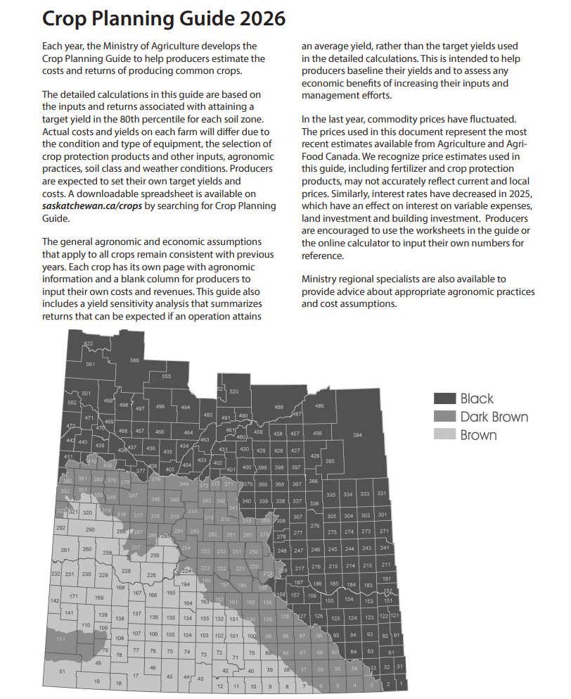
Please do this page

Summary Calculator
Summary of "My Farm"
 | Instructions on using this sheet
1 | This sheet provides a summary of your total projected farm financial situation.
2 | Please go to the sheets for the crops you grow or you plan to grow and input your numbers in the "my farm" column. The data from those sheets will automatically appear in this summary calculator.
3 | In this summary calcaulator, please input the total acres of each crop you grow or plan to grow.
4 | The total colum will update automatically and provide your summary picture.

 | Coarse Grains
 |  | Total | Feed Barley | Acres | Malt Barley | Acres | Corn | Acres | Fall Rye | Acres | Oats | Acres | Durum | Acres | Spring Wheat | Acres | Winter Wheat | Acres
 | Total Revenue ($) | 0 | 0.00 |  | 0.00 |  | 0.00 |  | 0.00 |  | 0.00 |  | 0.00 |  | 0.00 |  | 0.00
 | Total Variable Expenses ($) | 0 | 0.00 |  | 0.00 |  | 0.00 |  | 0.00 |  | 0.00 |  | 0.00 |  | 0.00 |  | 0.00
 | Total Other Expenses* ($) | 0 | 0.00 |  | 0.00 |  | 0.00 |  | 0.00 |  | 0.00 |  | 0.00 |  | 0.00 |  | 0.00
 | Total Expenses ($) | 0
 | Total Acres | 0

 | Oilseeds
 |  | Total | Canola | Acres | Flax | Acres | Brown Mustard | Acres | Oriental Mustard | Acres | Yellow Mustard | Acres | Hybrid Mustard | Acres | Sunflower | Acres
 | Total Revenue ($) | 0 | 0.00 |  | 0.00 |  | 0.00 |  | 0.00 |  | 0.00 |  | 0.00 |  | 0.00
 | Total Variable Expenses ($) | 0 | 0.00 |  | 0.00 |  | 0.00 |  | 0.00 |  | 0.00 |  | 0.00 |  | 0.00
 | Total Other Expenses* ($) | 0 | 0.00 |  | 0.00 |  | 0.00 |  | 0.00 |  | 0.00 |  | 0.00 |  | 0.00
 | Total Expenses ($) | 0
 | Total Acres | 0

 | Pulses
 |  | Total | Desi Chickpeas | Acres | Large Chickpeas | Acres | Small Chickpeas | Acres | Large Green Lentil | Acres | Red Lentil | Acres | Green Peas | Acres | Yellow Peas | Acres | Black Bean | Acres | Fababean | Acres | Soybean | Acres
 | Total Revenue ($) | 0 | 0.00 |  | 0.00 |  | 0.00 |  | 0.00 |  | 0.00 |  | 0.00 |  | 0.00 |  | 0.00 |  | 0.00 |  | 0.00
 | Total Variable Expenses ($) | 0 | 0.00 |  | 0.00 |  | 0.00 |  | 0.00 |  | 0.00 |  | 0.00 |  | 0.00 |  | 0.00 |  | 0.00 |  | 0.00
 | Total Other Expenses* ($) | 0 | 0.00 |  | 0.00 |  | 0.00 |  | 0.00 |  | 0.00 |  | 0.00 |  | 0.00 |  | 0.00 |  | 0.00 |  | 0.00
 | Total Expenses($) | 0
 | Total Acres | 0

 | Specialty Crops
 |  | Total | Camelina | Acres | Canary | Acres | Caraway** | Acres | Coriander | Acres | Fenugreek | Acres | Quinoa | Acres
 | Total Revenue ($) | 0 | 0.00 |  | 0.00 |  | 0.00 |  | 0.00 |  | 0.00 |  | 0.00
 | Total Variable Expenses ($) | 0 | 0.00 |  | 0.00 |  | 0.00 |  | 0.00 |  | 0.00 |  | 0.00
 | Total Other Expenses* ($) | 0 | 0.00 |  | 0.00 |  | 0.00 |  | 0.00 |  | 0.00 |  | 0.00
 | Total Expenses($) | 0
 | Total Acres | 0

 | Farm Total
 | Total Revenue ($) | 0
 | Total Variable Expenses ($) | 0
 | Total Other Expenses* ($) | 0
 | Total Expenses ($) | 0
 | Return over variable expenses ($) | 0
 | Return over total expenses ($) | 0
 | Total Acres | 0

 | *This includes labour and management costs if entered. Be sure these are entered as a per acres cost on the crop-specific pages.
 | **See crop specific sheet on caraway for important cost assumptions of this biennal crop. If you are growing caraway, these assumptions must be considered when looking at the summary of your farm.
Acre Distribution
Coarse Grains | 0
Oilseeds | 0
Pulses | 0
Specialty Crops | 0
Revenue Distribution
Coarse Grains | 0
Oilseeds | 0
Pulses | 0
Specialty Crops | 0
Expense Distribution
Coarse Grains | 0
Oilseeds | 0
Pulses | 0
Specialty Crops | 0

